Flowthrough
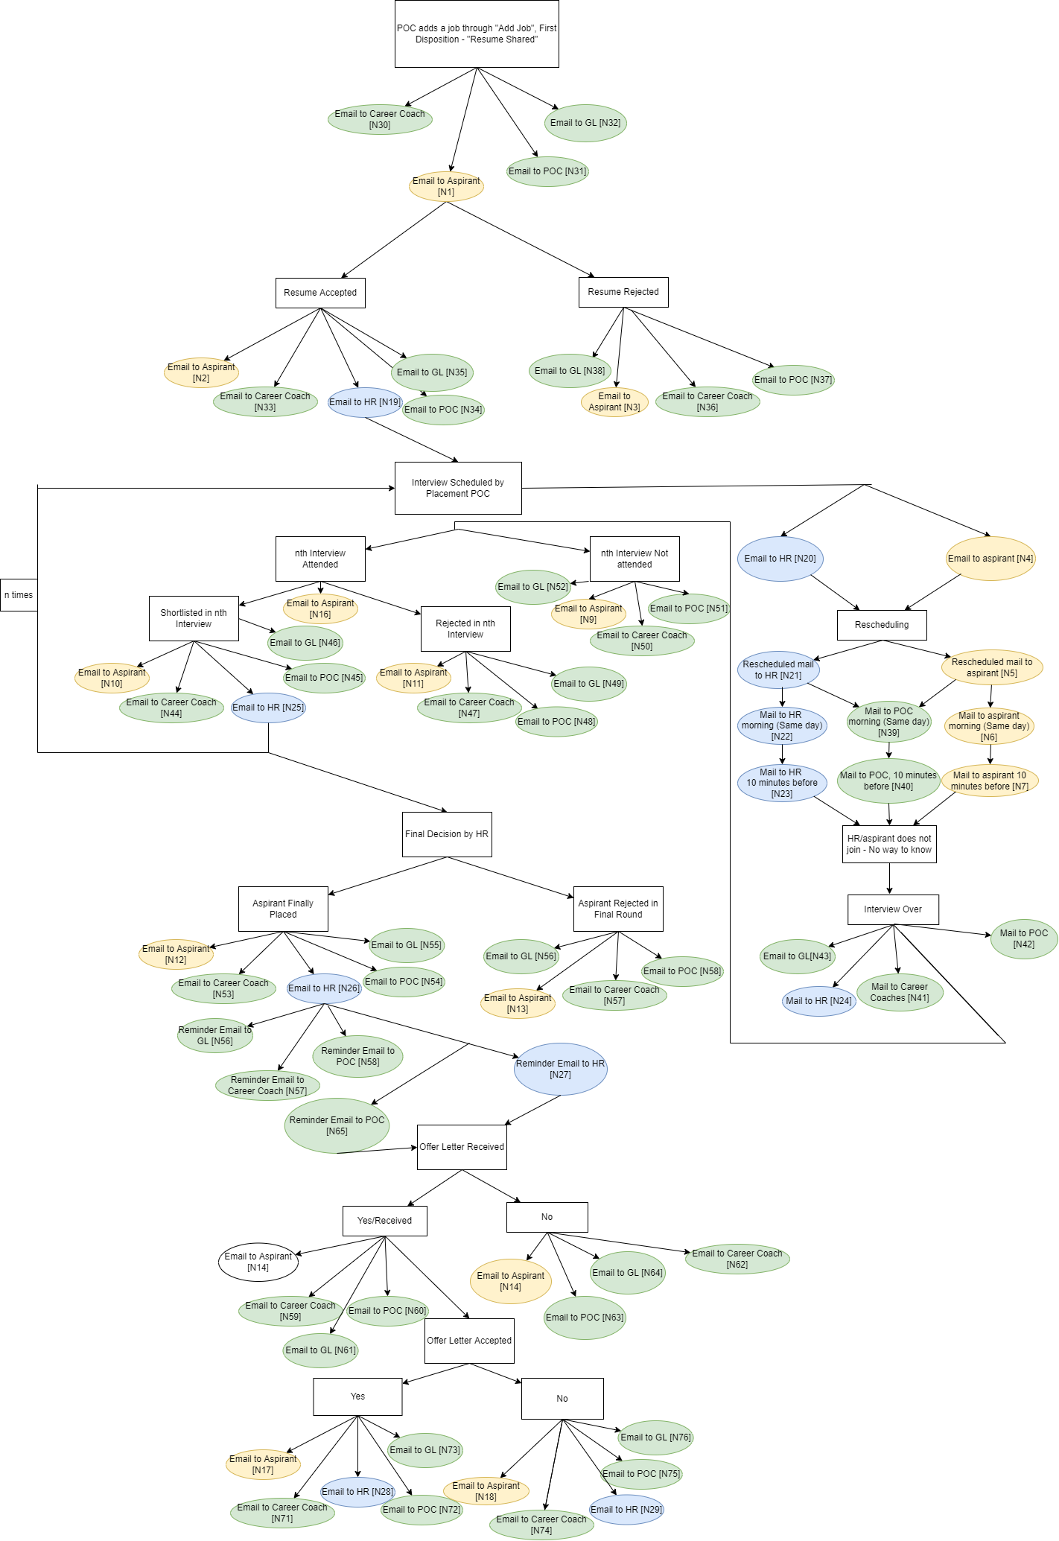

Additional Features
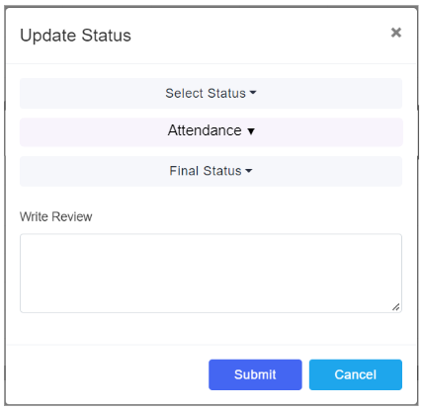

POC Flowthrough
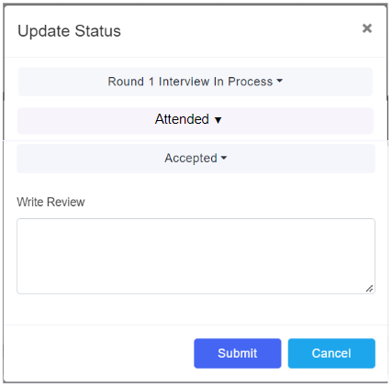
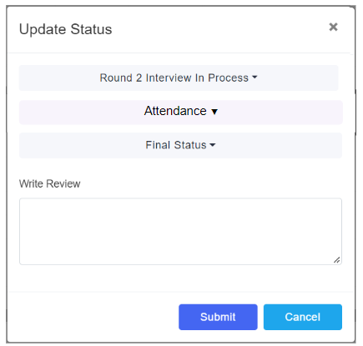

Case 1:
 | Aspirant Resume Shortlisted
 | HR notified POC of next Interview Schedule

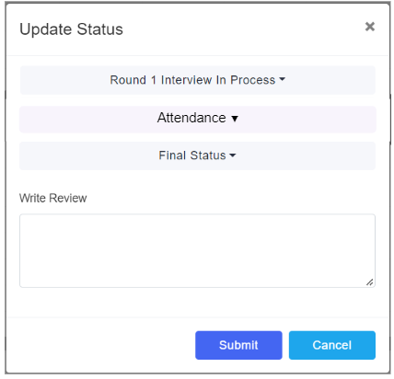

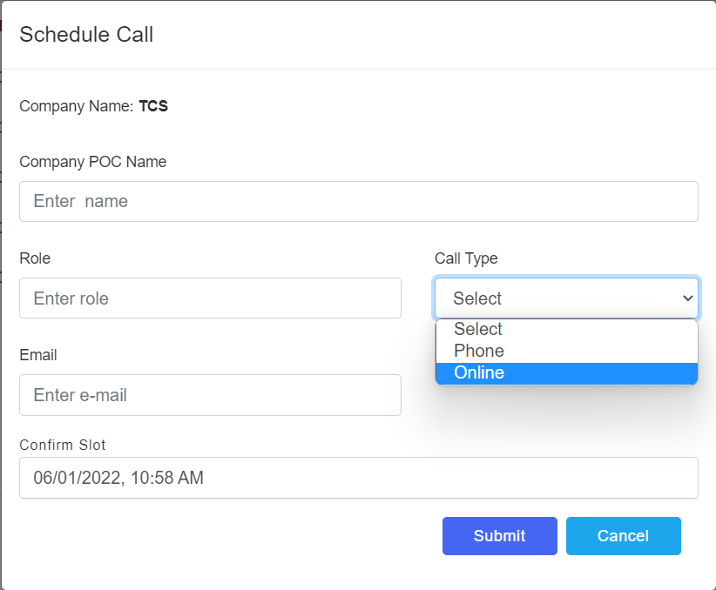

 |  |  |  | Aspirant cleared Round 1 : Email Sent to Aspirant | POC Selected Aspirant Round 2

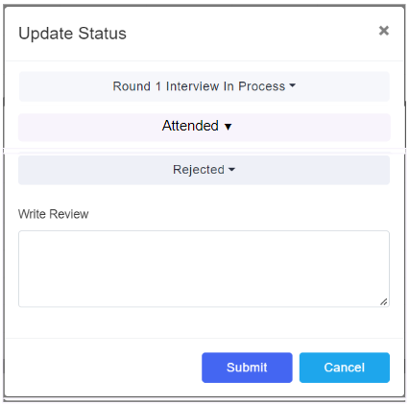
 |  |  | POC updates aspirant attendace - Attended : No Email Sent to Aspirant

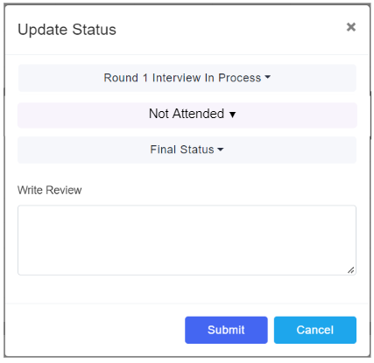

 | POC Selected Aspirant Round 1 | POC Selects Interview Slot - Email Sent to HR and Aspirant

 |  |  |  | Aspirant was rejected in Round 1: Email Sent to Aspirant

 |  |  | POC updates aspirant attendace - Not Attended : Email Sent to Aspirant

